KSA LPG Prices
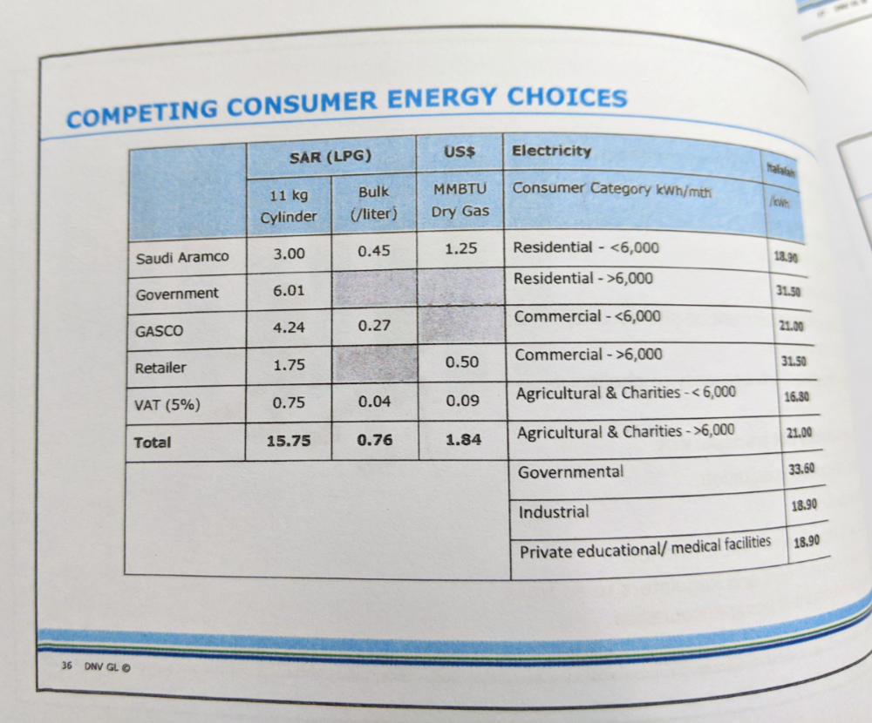

LPG Price | 1.84 | $/MMBTU
 | 1.84E-06 | $/BTU

We don't know the currency year, so we don't apply a currency year conversion.

